Table 1
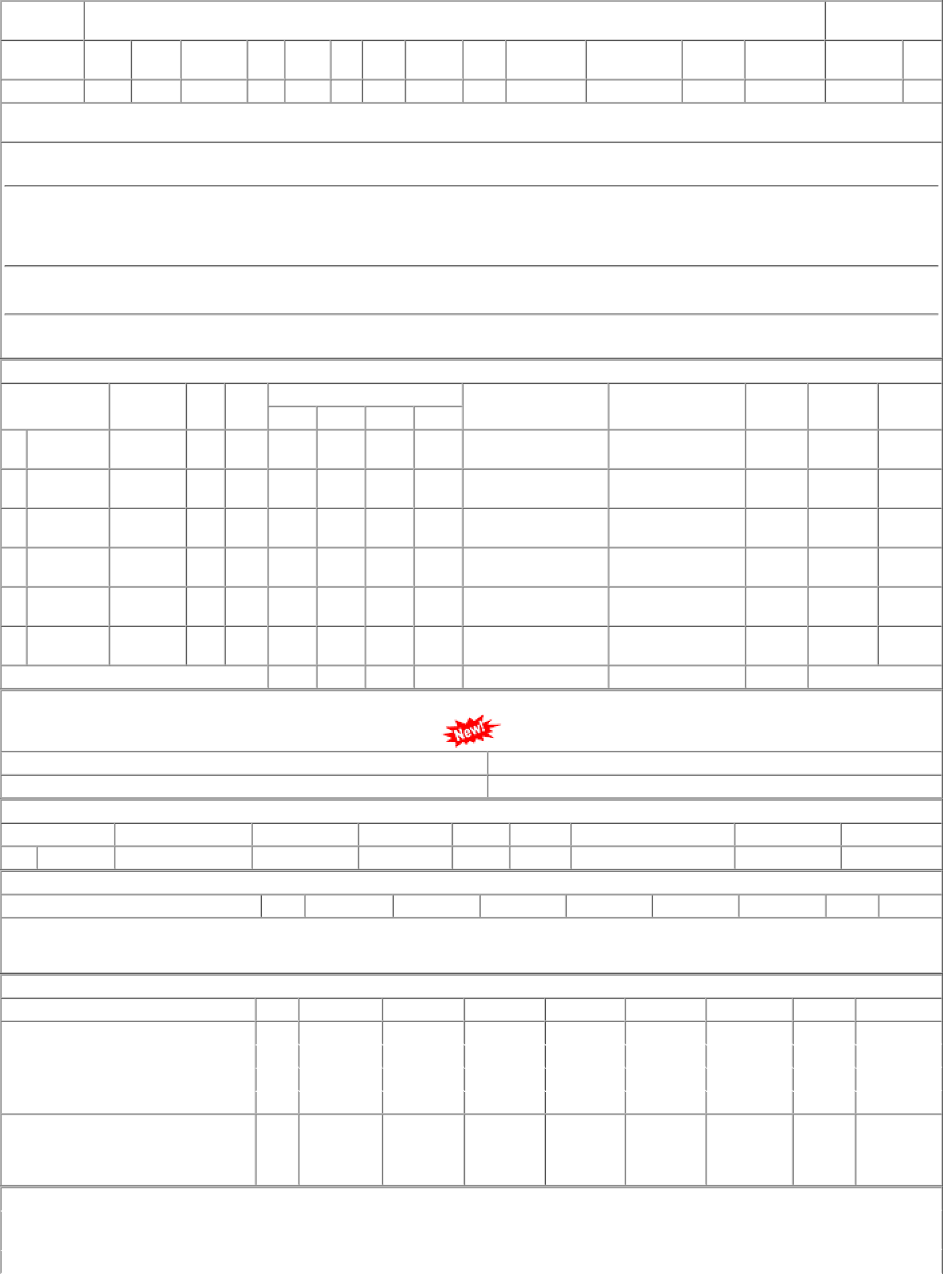
Rly : WR P.L.No. |  | Old Pl Uni. Pl |  |  | HISTORY SHEET |  |  |  |  |  |  |  |  |  |  |  |  |  |  |  |  |  | Date : 01- JAN-23 Wt
No. |  |  |  | No Uni_YN Sec |  |  |  |  |  |  | FILE CP |  |  |  | SRS Vit/Saf |  |  |  |  |  | ABC |  | PAS.NCT |  |  |  | MUST.CHG |  |  |  |  |  | SHELF |  |  | SOURCE |  |  |  | UNF.RLY KG
30010858 |  | Y 15 |  |  |  |  |  |  |  |  | 1006 04 07 |  |  |  |  |  | VIT C1 N |  |  |  |  |  |  |  |  |  | N NA |  |  |  |  |  |  |  |  | ICF
DUST SHIELD SPRING FOR AXLE BOX GUIDE ARRANGEMENT TO ICF DRG N0. T-0-1-607.Alt.j/15. Spec:T-0160701 D0928ADM[BVPW] 01/09/22 06:14:27 As per CWM-BVP letter no. S.234/AAC/General dt. 09.05.2022, requirement from Stores for FY 2022-23 will be 2976 Nos.
D0961NLS[DHD-L] 30/06/22 11:49:09 Dy. CMM (C&W) CCG :- AAC 1613 Nos. Proposed for CP. 2021-22 CWM DHD Letter No. M266/W/Gr.30-36 Dated. 14.09.2020 & AAC 1252 Nos. for CP. 2022-23 CWM DHD Letter No. M 266/ W/ Advance Intimation 22-23 Dated. 05.05.2021 & AAC 900 Nos. for CP. 2023-24 CWM DHD Letter No. M266/W/Advance Intimation 23-24 Dated. 26.05.22.
D0902L1[PL-CR] 25/03/22 01:03:55 AS PER DY.CME/P/PL'S LETTER NO. S 226/2/1 AR DT:24/03/2022 PROPOSED AAC FOR 2022-23 IS 2000 NOS.
D0962LG2[PRTN-CW] 11/03/22 09:53:35 AAC 300 Nos. for CP 22-23 as advised by PRTN W/Shop STOCK, AAC AND CONSUMPTION DETAILS CONSUMPTION / SALES AAC |  |  |  |  |  |  |  |  |  |  |  |  |  |  |  |  |  |  |  |  |  |  |  |  |  |  |  |  |  |  |  | STOCK |  |  |  | SPARE |  | LI DT |  |  | B.RATE
DEPOT 02 PL-CR 02 PL-CR 21 SBI-GSD 28 BVPW 61 DHD-L 62 PRTN-CW |  |  | WD 25 ( Closed ) 45 22 ( Closed ) 67 00 50 |  | CAT 10 10 10 10 10 10 |  | MDP 02 02 21 28 61 62 |  |  | 19-20 1160 0 5610 0 0 0 1000 0 830 0 426 0 |  |  | 20-21 0 0 1100 0 0 0 1460 0 400 0 198 0 |  | 21-22 0 0 2599 800 0 0 1460 0 700 0 206 0 |  |  | 22-23 0 0 1656 0 0 0 580 0 585 50 202 0 |  |  | AAC NCP |  |  |  |  | 0 0 2000 2000 0 0 1500 1500 525 525 300 300 |  |  | (MTHS) |  |  |  |  |  | STOCK 0 0 1280 0 (7.7) 0 0 812 0 (6.5) 217 0 (5) 189 0 (7.6) |  |  | LR DT 11/06/19 03/05/19 20/12/22 01/07/22 24/02/16 29/01/15 15/10/22 15/04/19 29/12/22 21/04/22 07/12/22 12/11/19 |  |  | UNIT 41.61 Nos. 41.61 Nos. 26.76 Nos. 40.58 Nos. 44.98 Nos. 42.98 Nos.
TOTAL( CONSUMPTION ): 9026 |  |  |  |  |  |  |  |  |  |  |  |  | 3158 |  | 4965 |  |  | 3023 |  |  | 4325(Cat-10, MDP) |  |  |  |  |  |  |  | 2498 (6.9 months)
Total available Stock of selected item in Digital Ledgers maintained by Users / Consignees of Western Railway in UDM
Stock Qty 843.000 Nos. |  |  |  |  |  |  |  |  |  |  |  |  |  | UN-COVERED DUES DETAILS |  |  |  |  |  |  |  |  |  |  |  |  |  |  |  |  | Stock Value 36270.83
Depot |  |  | Demand No. Reg.Date Due Qty |  |  |  |  |  |  |  |  |  |  |  |  |  |  |  |  | Unit |  |  | Type |  |  | File/Tender No. Due Date |  |  |  |  |  |  |  |  |  |  |  |  |  | Remarks
28 BVPW |  |  | 2822070141 |  |  |  |  |  | 2022-07-21 |  |  |  |  |  | 1000 |  |  |  |  | Nos. |  |  | ERM |  |  | 78221185A |  |  |  |  |  |  |  |  |  | 2022-08-31
RLY.BOARD INDENT COVERAGE DETAILS P.O.No./Vendor Name Sr Depot AI Rate PO Qty Unit Due Qty Start DP Dely.Dt Dem.No.
NO COVERAGE FOR THIS ITEM
COVERED DUES DETAILS
P.O.No./Vendor Name P.O.No.15221006106479 dt.29- dec-2022 on M/s.MAHAMAYA SPRING CO-KOLKATA RITES-INSP-CALL PO-CAT:[ Reg ]
Sr | Depot |  |  | AI Rate |  | PO Qty |  |  |  |  | Unit |  |  |  | Due Qty |  |  |  | Start Dp |  |  |  |  | Dely.Dt |  |  |  | Dem.No.
001 | PL-CR |  |  | 41.16 |  | 1592 |  |  |  |  | Nos. |  |  |  | 1592 |  |  |  | 2023-04-01 |  |  |  |  | 2023-04-29 |  |  |  | 0222073310
002 | BVPW |  |  | 41.16 |  | 1563 |  |  |  |  | Nos. |  |  |  | 1563 |  |  |  | 2023-04-01 |  |  |  |  | 2023-04-29 |  |  |  | 2822073310
003 | DHD-L |  |  | 41.16 |  | 314 |  |  |  |  | Nos. |  |  |  | 314 |  |  |  | 2023-04-01 |  |  |  |  | 2023-04-29 |  |  |  | 6122073310
004 | PRTN-CW |  |  | 41.16 |  | 8 |  |  |  |  | Nos. |  |  |  | 8 |  |  |  | 2023-04-01 |  |  |  |  | 2023-04-29 |  |  |  | 6222073310
001 | PL-CR |  |  | 62.59 |  | 600 |  |  |  |  | Nos. |  |  |  | 165 |  |  |  | 2022-01-14 |  |  |  |  | 2022-07-30 |  |  |  | 0222010664
P.O.No.52221018800086 dt.13-
jan-2022 on M/s.PCMM Office, Central Railway, Mumbai - 400001 RITES-INSP-CALL PO-CAT:[ Reg ] |  |  |  |  |  |  |  |  |  |  |  | ORDERS PLACED DURIN |  |  |  |  |  |  |  |  |  | G LAST 3 |  |  | YEARS
P.O.No./Vendor Name |  |  |  |  |  | Sr |  | Depot |  |  |  | AI Rate |  |  |  | PO Qty |  |  | Unit |  |  | Canc Qty |  |  | Rej. Qty |  |  |  |  | Recd Qty |  |  |  | Org.DP |  |  | Start DP |  | Ext.DP |  |  | PO Status
P.O.No.15221006106479 |  |  |  |  |  | 001 |  | PL-CR |  |  |  | 41.16 |  |  |  | 1592 |  |  | Nos. |  |  | 0 |  |  | 0 |  |  |  |  | 0 |  |  |  | 2023-04-29 |  |  | 2023-04-01 |  | 2023-04-29 |  |  | OP

